Invoice
 | Lizpa Landscaping, Inc.

 | Bill To: | Enclave C/O Sentry Management Inc. | Phone: | 407-788-6700 ext 51209 | Invoice #: | 1668
 | Address: | 2180 W. State Rd. 434 Suite 5000 Longwood, FL 32779 | Fax: | 407-788-7488
 | Service Address: | Enclave 1397 Benevolent St. Maitland, FL 32751 | Email: | jpaladino@sentrymgt.com | Invoice Date: | 2025-07-25

 | Qty | Description |  |  |  | Price

 |  | Repaired 4" main leak by pump station on right of entrance. Due to leak being on slip fix very close to tee both slip fixes had to be replaced as it was 2 repairs (see pics attached |  |  | PVC PARTS | $380.00
 |  |  |  |  | 13.5 hours of labor | $945.00
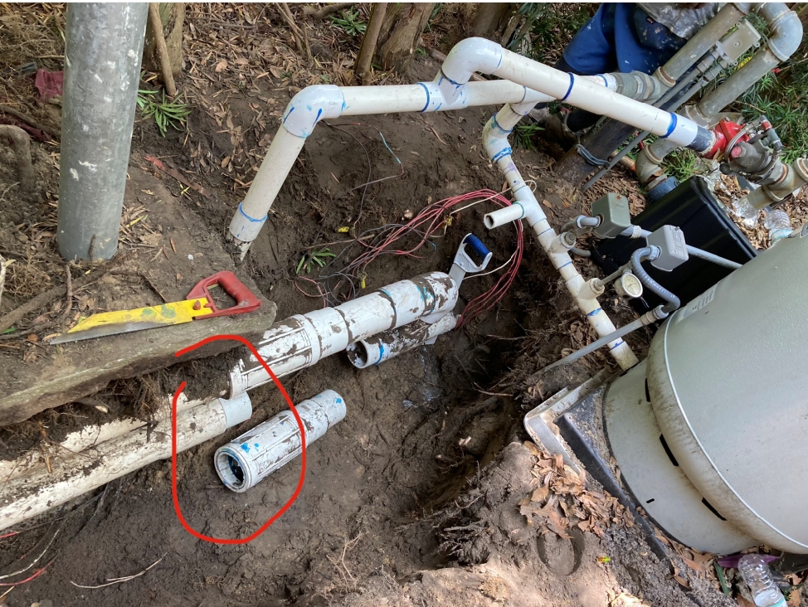
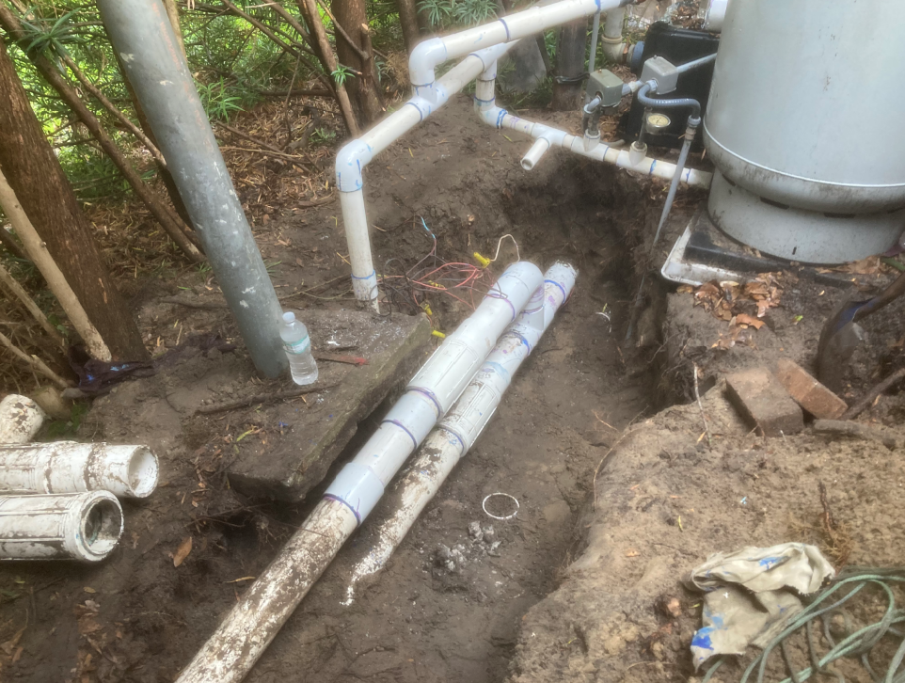

 | Make all checks payable to Lizpa Landscaping, Inc.
 | Thank you for your business!! |  |  |  | TOTAL | $1,325.00

